1. Title Page
Project Name: Instacart Grocery Basket Analysis
Date: 12 November 2023
Analyst Name: Thulisa Lamani

Contents:
Population Flow
Consistency checks
Wrangling steps
Column derivations
Visualizations
Recommendations

Sources
“The Instacart Online Grocery Shopping
Dataset 2017”, Accessed from www.instacart.com/datasets/grocery-shopping-2017
via Kaggle on 12/11/2023"

Data Dictionary

2. Population Flow
Title page

Population flow

Orders_products_combined
Orders_products_merged
Orders_products_all

Total: 32404859
Total: 32434489
Total: 32404859

1.) The grey boxes in the first row of the population flow represent the original data sets as they were at the time of downloading.
2.) The second row of boxes (coloured) represents the data sets after manipulation, e.g., removed missing values and duplicates.
3.) The third row, where also the arrows are coloured, represents the merges performed between the datasets. The final dataset should be without exclusions (based on the exclusion flag).

3. Consistency checks
 |  |  |  | Title page
Consistency checks

Dataset | Missing values | Missing values treatment | Duplicates
orders | 206209 | I Used the mean value to replace the missing values. | No duplicates observed.
products | 16 | I removed the missing values. | 5 duplicates were observed and cleaned.
orders_products_prior | 0 | No action required. | No duplicates observed.
customers | 0 | No action required. | No duplicates observed.

4. Wrangling steps
 |  |  |  | Title page
Wrangling steps

Columns dropped | Columns renamed | Columns' type changed | Comment/Reason
"eval_set" |  |  | Unneccessary column. This column contains system information that acts as a label for the entire data set. It has one value—prior—which indicates that this was the prior data set released by Instacart.
 | "order_dow" renamed to "orders_day_of_week". |  | Changed to a name that is easier to understand.
 |  | "order_id" changed to string. | Column changed from a number to a string (which the describe() function will ignore when calculating descriptive statistics).
 | "order_hour_of_day" renamed to "order_hour" |  | Name shortened.
"_merge" |  |  | Unneccessary.
 |  | "user_id" changed to string. | Column changed from a number to a string (which the describe() function will ignore when calculating descriptive statistics).
 | "n_dependants" changed to "dependents" |  | Shortened and spelling fixed
 | Surnam" changed to "Surname" |  | Spelling fixed
First Name" |  |  | Personally identifiable information
"Surname" |  |  | Personally identifiable information
 | "Unnamed: 0" to "department_id" |  | Gave column a more appropriate label.

5. Column derivations
 |  |  |  | Title page

Column derivations and aggregations

Dataset | New column | Column/s it was derived from | Conditions
df_ords_prods_merged | price_range | "price" | If price is under 5, value is low-range product If price is between 5 and 15, value is mid-range product If price is greater than 15, price is high-range product
df_ords_prods_merged | busiest_day | "orders_day_of_week" | If the value in that row is equal to 0, a “Busiest day” string value is appended to your currently blank result list. If the value is equal to 4, a “Least busy” string value is appended to the result list. If neither of these conditions has been met (the value is neither 0 nor 4), then a “Regularly busy” string value is appended to the result list.
df_ords_prods_merged | busiest_period_of_day | "order_hour_of_day" | If order_hour_of_day is 10-15, value is most orders If order_hour_of_day is 0-5, value is fewest orders If order_hour_of_day is 6-9 or 16-23, value is average orders
df_ords_prods_merged | max_order | "user_id" and "order_number" | Each value in this column corresponds to the maximum number of orders made by each user ID.
df_ords_prods_merged | loyalty_flag | "max_order" | If max_order for the user is over 40, then labeled a “Loyal customer.” If max_order for the user is over 10 but less than or equal to 40, then labeled a “Regular customer.” If max_order for the user is less than or equal to 10, then labeled a “New customer.”
df_ords_prods_merged | spender_flag | "user_id" and "prices" | If the mean of the prices of products purchased by a user is lower than 10, then flag them as a “Low spender.” If the mean of the prices of products purchased by a user is higher than or equal to 10, then flag them as a “High spender.
df_ords_prods_merged | median_order_frequency | "user_id" and "days_since_prior_order" | If the median of “days_since_prior_order” is higher than 20, then the customer should be labeled a “Non-frequent customer.” If the median is higher than 10 and lower than or equal to 20, then the customer should be labeled a “Regular customer.” If the median is lower than or equal to 10, then the customer should be labeled a “Frequent customer.”
df_ords_prods_cust_merged | customer_activity | Max_order" | If 'max_order' is 5 or higher, value in 'customer_activity' will be 'normal'. If 'max_order' is less than 5, value in 'customer_activity' will be 'low'.
active_customers | age_category | "Age" | If 'Age' is greater than 35 and less than or equal to 6o, set "age category" as "middle-aged adult". If 'Age' is greater than 60, set as "senior citizen". If 'Age' is less than or equal to 35, set as "young adult"
active_customers | income_class | "income" | If 'income' is less than, or equal to, 25900, but less than 100000, set 'income class' as "Lower income'. If 'income' is greater than, or equal to 100000, but less than or 200000, set 'income class' as 'Middle Income'. If 'income' is 200000 or greater, set as 'Upper income'.
active_customers | region | "State" | If state is 'Maine', 'New Hampshire', 'Vermont', 'Massachusetts', 'Rhode Island', 'Connecticut', 'New York', 'Pennsylvania', 'New Jersey', set as "Northeast ". If state is 'Wisconsin', 'Michigan', 'Illinois', 'Indiana', 'Ohio', 'North Dakota', 'South Dakota', 'Nebraska', 'Kansas', 'Minnesota', 'Iowa', 'Missouri', set as "Midwest". If state is 'Delaware', 'Maryland', 'District of Columbia', 'Virginia', 'West Virginia', 'North Carolina', 'South Carolina', 'Georgia', 'Florida', 'Kentucky', 'Tennessee', 'Mississippi', 'Alabama', 'Oklahoma', 'Texas', 'Arkansas', 'Louisiana', set as "South". If state is 'Idaho', 'Montana', 'Wyoming', 'Nevada', 'Utah', 'Colorado', 'Arizona', 'New Mexico', 'Alaska', 'Washington', 'Oregon', 'California', 'Hawaii', set as "West".

6. Visualizations
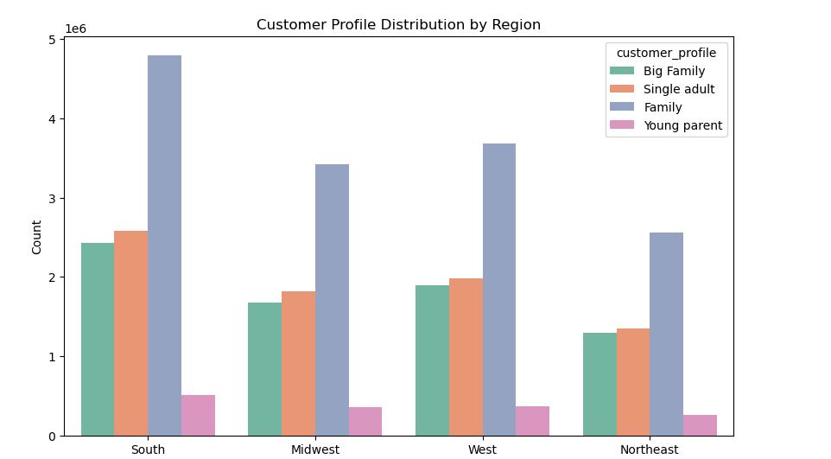
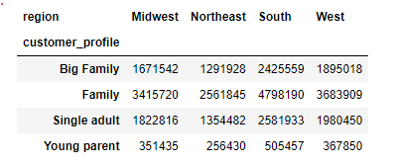
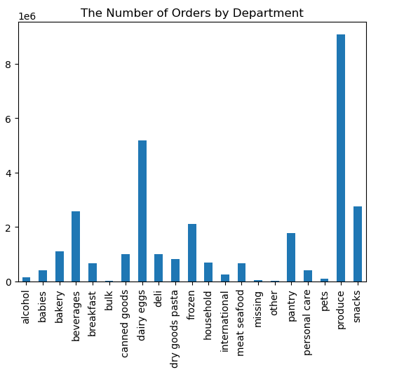
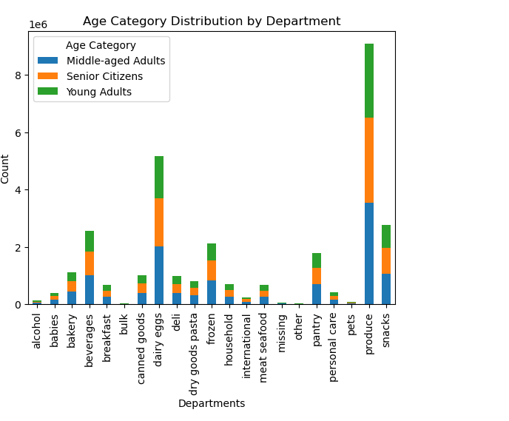
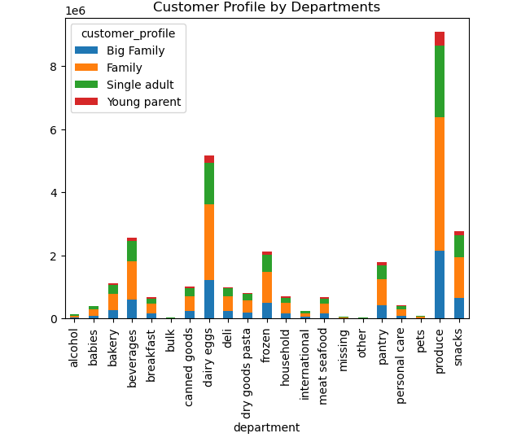
 |  |  |  | Title page

Visualisations

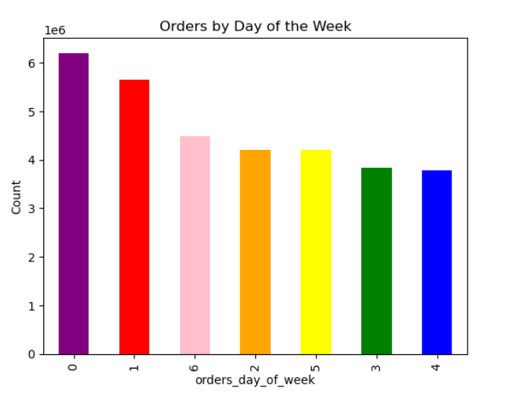

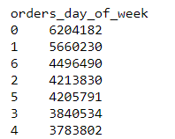
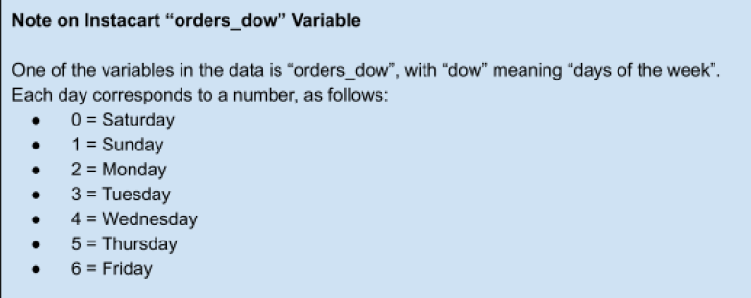

Order hour histogram
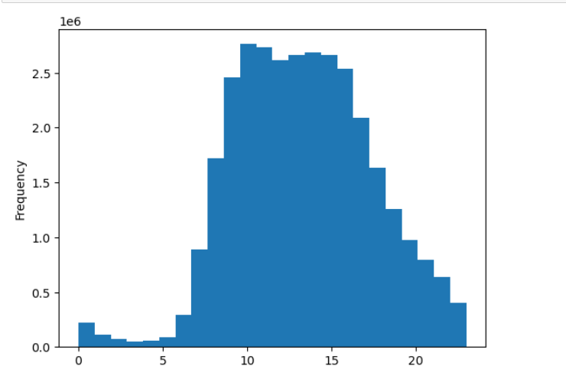

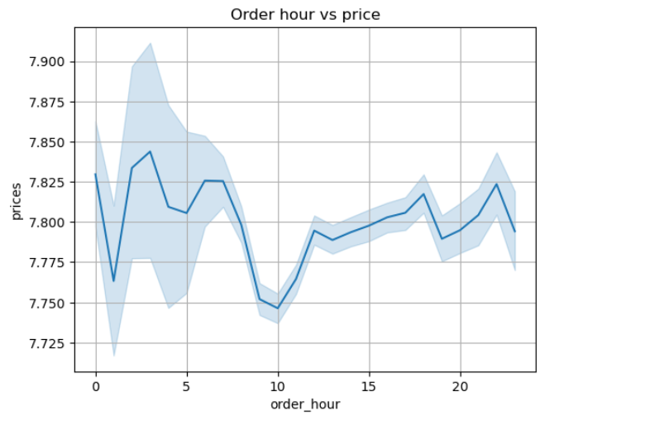
 | Price by day of week
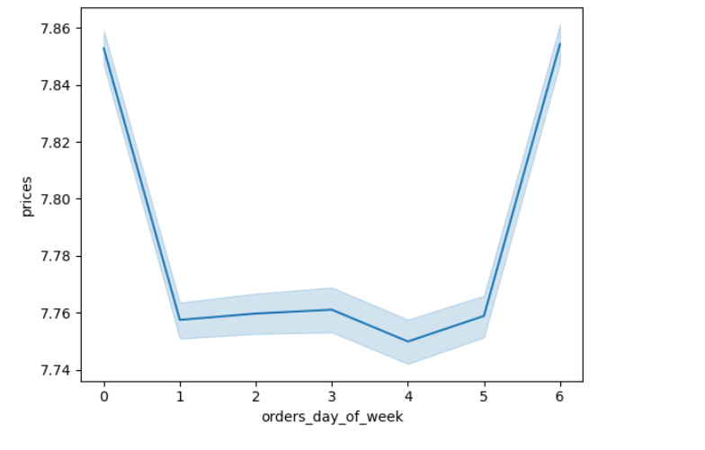

 |  | Customer loyalty
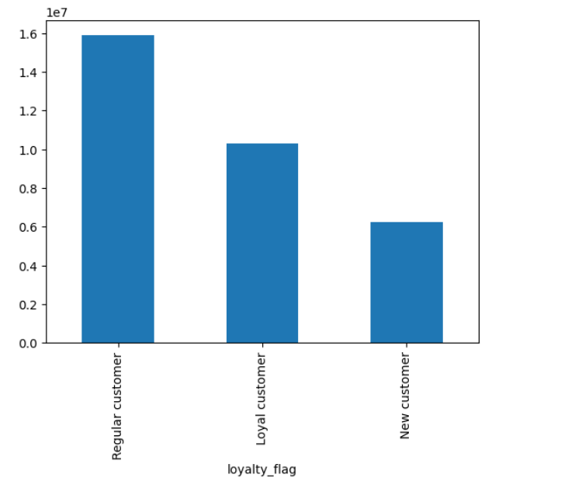

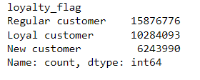

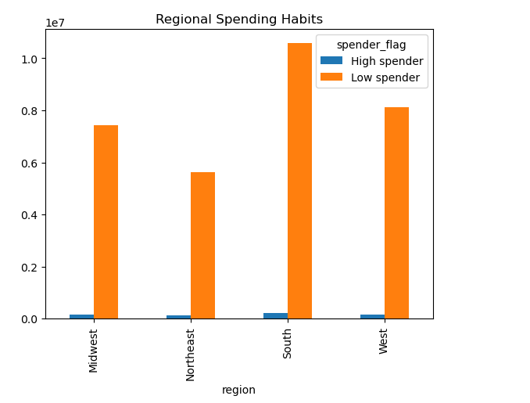

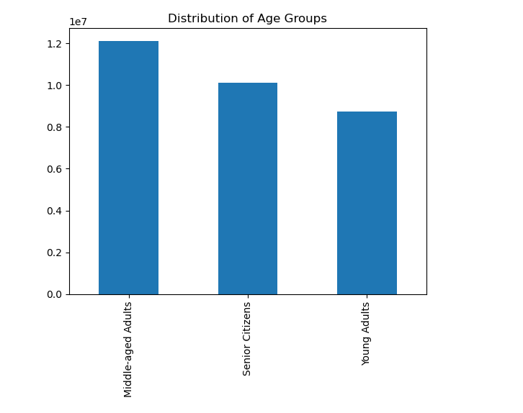

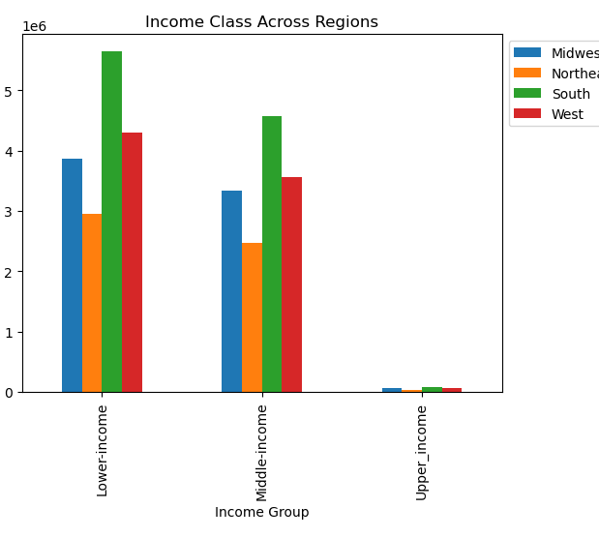

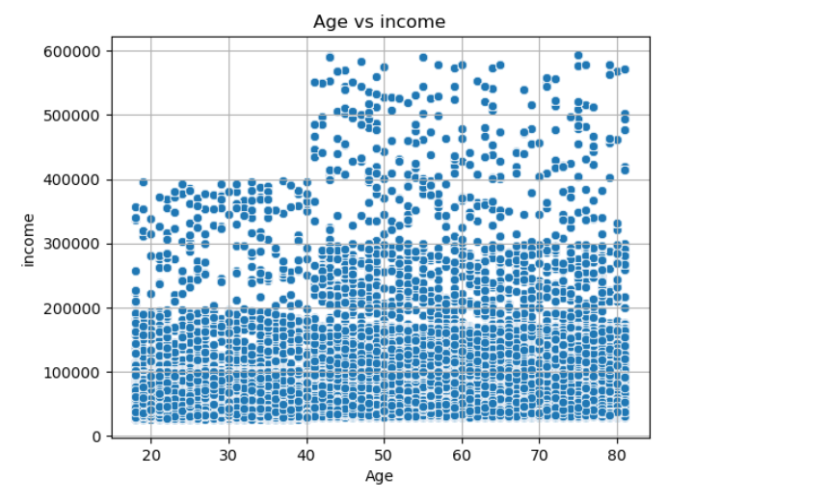

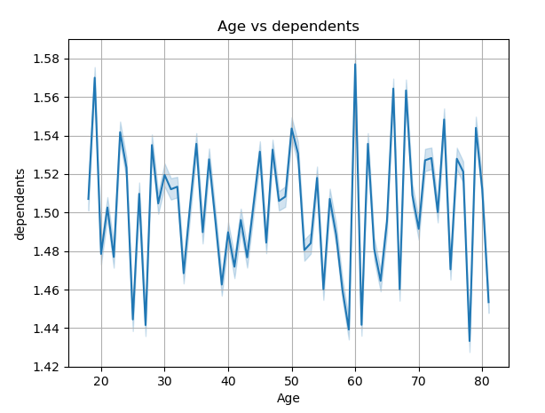

 |  |  | No correlation between age and number of dependents

7. Recommendations
 |  | Title page

Recommendations

Questions | Answers
What the busiest days of the week and hours of the day are (i.e., the days and times with the most orders)? | Weekends have the highest orders. Saturday has the most orders, and Sunday has the second highest number of orders. Tuesday and Wednesday have the lowest number of orders. The busiest hour of the day is 10:00. Between 09:00 and 16:00 is the busiest period for orders, so it would make sense to schedule ads during this time.
Are there are particular times of the day when people spend the most money? | The price of orders peaks between the order hours 02:00. Customers also spent the most on Fridays and Saturdays, spending over $7,80 per order on average.
Are there certain types of products that are more popular than others? | Produce is the most popular department across all income groups as well as all age groups. Dairy and eggs, and snacks are also popular departments. Pets, bulk and other, were the least popular departments.
The marketing and sales teams are particularly interested in the different types of customers in their system and how their ordering behaviors differ. 1. What’s the distribution among users in regards to their brand loyalty (i.e., how often do they return to Instacart)? 2. Are there differences in ordering habits based on a customer’s loyalty status? 3. Are there differences in ordering habits based on a customer’s region? 4. Is there a connection between age and family status in terms of ordering habits? 5. What different classifications does the demographic information suggest? 6. What differences can you find in ordering habits of different customer profiles? Consider the price of orders, the frequency of orders, the products customers are ordering, etc. | The loyalty flag indicates that 'Regular customers', those who have ordered between 10 and 40 items, make the most sales. This is 49% of orders. While 'Loyal customers', who have ordered over 40 items, made up 32% of orders. With regards to regional spending habits, we found that the south had the largest distribbution of high spenders and low spenders. There are more low spenders than high spenders in all of the regions. Most of Instacart's customers are middle-aged adults (between the ages of 35 and 60). We found that customers over the age of 40 have the highest income. Young adults (18 to 35) are the smallest group, and they have the lowest income. There was no correlation between age and number of dependents. With regards to departments, we found that 'produce' was the most popular department. It is the most popular department across all family categories and age categories. It is followed by 'dairy and eggs' and 'snacks'. 'Bulk', 'missing' and 'other' are the least popular departments. With all of this considered, the important thing for Instacart would be to maintain the relationship with "Loyal customers", and turn "Regular customers" into "Loyal customers" in all regions. This can be done through targeted ads during busy hours, placing emphasis on popular departments (produce, dairy and eggs, and snacks. Instacart can also provide discount codes for items in the popular departments to loyal customers.

